About
BFPaT BAU Pretax Fuel Price by Sector | California | 2021-06-01 |  |  |  | Alabama | AL |  | National level
BFPaT BAU Fuel Tax by Sector | CA |  |  |  |  | Alaska | AK |  | Region level
 |  |  |  |  |  | Arizona | AZ |  | State level
Natural gas/coal prices are at the… | State level | Remember to re-export CSVs!! |  |  |  | Arkansas | AR
Sources: | Most start year prices |  |  |  |  | California | CA
 | Energy Information Administraton |  |  |  |  | Colorado | CO
 | 2020 |  |  |  |  | Connecticut | CT
 | State Energy Data System (SEDS): 1960-2019 (complete) |  |  |  |  | Delaware | DE
 | https://www.eia.gov/state/seds/archive/seper2019.pdf |  |  |  |  | Florida | FL
 |  |  |  |  |  | Georgia | GA
 | Electricity |  |  |  |  | Hawaii | HI
 | Average retail price of electricity in California |  |  |  |  | Idaho | ID
 | State electricity profile |  |  |  |  | Illinois | IL
 | https://www.eia.gov/electricity/state/california/ |  |  |  |  | Indiana | IN
 | Accessed, Friday, Aug. 06 2021 |  |  |  |  | Iowa | IA
 |  |  |  |  |  | Kansas | KS
 | Most growth rates |  |  |  |  | Kentucky | KY
 | Energy Information Administration |  |  |  |  | Louisiana | LA
 | 2020 |  |  |  |  | Maine | ME
 | Annual Energy Outlook |  |  |  |  | Maryland | MD
 | https://www.eia.gov/outlooks/archive/aeo20/ |  |  |  |  | Massachusetts | MA
 | Particularly, the Pacific region version of the Reference case |  |  |  |  | Michigan | MI
 | https://www.eia.gov/outlooks/aeo/data/browser/#/?id=17-AEO2020&region=1-9&cases=ref2020 |  |  |  |  | Minnesota | MN
 |  |  |  |  |  | Mississippi | MS
 | Short run energy outlook |  |  |  |  | Missouri | MO
 | Energy Information Administration |  |  |  |  | Montana | MT
 | 2020 |  |  |  |  | Nebraska | NE
 | Short run energy outlook - accessed August 15, 2021 |  |  |  |  | Nevada | NV
 | https://www.eia.gov/outlooks/steo/ |  |  |  |  | New Hampshire | NH
 |  |  |  |  |  | New Jersey | NJ
 | biofuels |  |  |  |  | New Mexico | NM
 | DOE Alternative Fuels Data Center |  |  |  |  | New York | NY
 | 2020 |  |  |  |  | North Carolina | NC
 | Clean Cities Alternative Fuel Price Report series |  |  |  |  | North Dakota | ND
 | https://afdc.energy.gov/fuels/prices.html |  |  |  |  | Ohio | OH
 | April 2021 was most recent quarterly report available |  |  |  |  | Oklahoma | OK
 | https://afdc.energy.gov/files/u/publication/alternative_fuel_price_report_april_2021.pdf |  |  |  |  | Oregon | OR
 | heat |  |  |  |  | Pennsylvania | PA
 | Euroheat & Power |  |  |  |  | Rhode Island | RI
 | n/a |  |  |  |  | South Carolina | SC
 | DHC & Statistics: United States |  |  |  |  | South Dakota | SD
 | http://www.euroheat.org/United-States-156.aspx |  |  |  |  | Tennessee | TN
 | "Average District Heating price in 2011" (using "Steam" rather than "Water" because most U.S. district heating systems use steam) |  |  |  |  | Texas | TX
 |  |  |  |  |  | Utah | UT
 | hydrogen start year costs |  | hydrogen future costs |  |  | Vermont | VT
 | California Energy Commission and California Air Resources Board |  | Bloomberg New Energy Finance |  |  | Virginia | VA
 | 2015 |  | 2020 |  |  | Washington | WA
 | Assessment of Time and Cost Needed to Attain 100 Hydrogen Refueling Stations in California |  | Hydrogen Economy Outlook: Key Messages
 | https://ww2.energy.ca.gov/2015publications/CEC-600-2015-016/CEC-600-2015-016.pdf |  | https://data.bloomberglp.com/professional/sites/24/BNEF-Hydrogen-Economy-Outlook-Key-Messages-30-Mar-2020.pdf
 | Page 57, Table 12 |  | Page 5

 | lignite and non-lignite price multipliers
 | Energy Information Administration
 | 2019
 | Form EIA-923 detailed data
 | https://www.eia.gov/electricity/data/eia923/
 | Year 2018, Tab 5

 | State sales tax
 | SalesTaxHandbook.com
 | California sales tax info sheet
 | https://www.salestaxhandbook.com/pdf/datasheets/CaliforniaSalesTax.pdf

 | California Department of Tax and Fee Administration
 | https://www.cdtfa.ca.gov/taxes-and-fees/sales-tax-rates-for-fuels.htm
 | Sales Tax Rates for Fuels
 | Accessed 12 August 2021

Notes
Hydro, wind, solar, and geothermal do not have fuel cost. These sheets contain zeroes.
The LULUCF sector does not use fuel. (Agriculture fuel use is handled as part of Industry.)
Prices for fuels for the District Heating sector are assumed to be the same as the prices for those fuels for the Electricity
Sector, as both heat and electricity plants are run by utilities (and some CHP plants produce both heat and electricity).
The hydrogen supply sector uses the District Heating prices, and uses electricity, so we use electricity prices seen by
the Industry sector.

California Data Notes (August 2021)
Economic growth has been much stronger than was expected at the time of AEO 2021 modeling.
As a result, in many cases, AEO 2021-based methods for projecting prices would result in prices that are too low.
The approach develop to adjust for this works as follows:
(1) Use most recent empirical data possible.
(2) Use the Short Term Energy Outlook (SEO) to update current prices through 2022.
(3) Use the AEO 2020 Pacific region y-o-y % changes for 2023 and later years

Several fuels are considered outside of the choice set, i.e. as unavailable, in the context of California regulation,
such as: nuclear, lignite, msw.

Pre-Tax Prices |  |  |  |  |  | West Virginia | WV
This variable contains PRE-TAX fuel prices per unit energy, disaggregated by sector. |  |  |  |  |  | Wisconsin | WI
 |  |  |  |  |  | Wyoming | WY
BAU Fuel Taxes
Separately, it also specifies the amount of BAU fuel tax per unit energy that is levied on each fuel.
BAU fuel taxes include sales taxes, value-added taxes (VAT), and excise taxes, not carbon taxes.
If there is a BAU Carbon Tax in the modeled region, its effect on fuel prices must not be included here.
(A BAU carbon tax is specified separately in fuels/BCTR BAU Carbon Tax Rate.)

Tax rate projections have only been located for petroleum gasoline, petroleum diesel, and jet fuel.
Biofuel gasoline is taxed at the same rate as petroleum gasoline and biofuel diesel
is taxed at the same rate as petroleum diesel.
For all other fuels, we assume 0.075, reflecting California's sales tax rate before local adders.

BAU Fuel Subsidies
All pre-tax fuel prices in this variable should incorporate the contribution of any BAU subsidies.
This is because BAU subsidies are often applied far upstream of retail sales, such as subsidies for oil
and gas drilling companies. Similarly, subsidies paid for electricity generation
(such as a subsidy per MWh of electricity generated from wind)
and for capacity construction (such as a subsidy per MW of wind built) go to electricity suppliers upstream.
Therefore, the effects of these subsidies, insofar as they impact retail prices,
are already included in the reported fuel prices you are likely to find for any country or region.
(In the event you do have pre-subsidy fuel prices, you must subtract out the subsidy before entering
fuel price data in this variable, to reflect the pre-tax price seen by fuel purchasers.)

Municipal Solid Waste Prices
Rather than costing money, companies usually pay a "tipping fee" to the processor for accepting their
municipal solid waste. This would imply a negative fuel price. However, there may be extra expenses
associated with sorting the waste so that only suitable MSW is combusted, while other items (such as
electronics and batteries, which should not have been part of the MSW stream) don't get combusted. | million BTU / barrel (U.S.-produced crude)
For simplicity, we assume that the added processing costs of dealing with MSW offset the tipping fees, | million BTU / barrel (imported crude)
resulting in a fuel cost of zero. (This assumes MSW power plants get all their profit from selling power,
and they break even on the tipping fees.)

Energy unit conversions
https://www.eia.gov/energyexplained/units-and-calculators/ | BTU
 | 120286 |  | 120286
1 gallon gasoline | 137381 | 120286
1 gallon diesel | 5691000 | 137381
1 barrel of crude oil produce in US | 1037
1 cubic foot of natural gas

Currency Year Adjustment
Historical Consumer Price Index for All Urban Consumers (CPI-U): U.S. city average, all items, index
averages — Continued
[1982-84=100, unless otherwise noted]
Year | Semiannual averages |  | Annual avg. | Percent change from previous |  | Multiply by to get 2012 Dollars
 | 1st half | 2nd half |  | Dec. | Annual avg.
1982............................................................................. . | – | – | 96.5 | 3.8 | 6.2
1983............................................................................. . | – | – | 99.6 | 3.8 | 3.2
1984............................................................................. . | 102.9 | 104.9 | 103.9 | 3.9 | 4.3
1985............................................................................. . | 106.6 | 108.5 | 107.6 | 3.8 | 3.6
1986............................................................................. . | 109.1 | 110.1 | 109.6 | 1.1 | 1.9
1987............................................................................. . | 112.4 | 114.9 | 113.6 | 4.4 | 3.6
1988............................................................................. . | 116.8 | 119.7 | 118.3 | 4.4 | 4.1
1989............................................................................. . | 122.7 | 125.3 | 124 | 4.6 | 4.8
1990............................................................................. . | 128.7 | 132.6 | 130.7 | 6.1 | 5.4 | 1.757
1991............................................................................. . | 135.2 | 137.2 | 136.2 | 3.1 | 4.2 | 1.686
1992............................................................................. . | 139.2 | 141.4 | 140.3 | 2.9 | 3 | 1.636
1993............................................................................. . | 143.7 | 145.3 | 144.5 | 2.7 | 3 | 1.589
1994............................................................................. . | 147.2 | 149.3 | 148.2 | 2.7 | 2.6 | 1.549
1995............................................................................. . | 151.5 | 153.2 | 152.4 | 2.5 | 2.8 | 1.507
1996............................................................................. . | 155.8 | 157.9 | 156.9 | 3.3 | 3 | 1.463
1997............................................................................. . | 159.9 | 161.2 | 160.5 | 1.7 | 2.3 | 1.430
1998............................................................................. . | 162.3 | 163.7 | 163 | 1.6 | 1.6 | 1.409
1999............................................................................. . | 165.4 | 167.8 | 166.6 | 2.7 | 2.2 | 1.378
2000............................................................................. . | 170.8 | 173.6 | 172.2 | 3.4 | 3.4 | 1.333
2001............................................................................. . | 176.6 | 177.5 | 177.1 | 1.6 | 2.8 | 1.296
2002............................................................................. . | 178.9 | 180.9 | 179.9 | 2.4 | 1.6 | 1.276
2003............................................................................. . | 183.3 | 184.6 | 184 | 1.9 | 2.3 | 1.248
2004............................................................................. . | 187.6 | 190.2 | 188.9 | 3.3 | 2.7 | 1.215
2005............................................................................. . | 193.2 | 197.4 | 195.3 | 3.4 | 3.4 | 1.176
2006............................................................................. . | 200.6 | 202.6 | 201.6 | 2.5 | 3.2 | 1.139
2007............................................................................. . | 205.709 | 208.976 | 207.342 | 4.1 | 2.8 | 1.107
2008............................................................................. . | 214.429 | 216.177 | 215.303 | 0.1 | 3.8 | 1.066
2009............................................................................. . | 213.139 | 215.935 | 214.537 | 2.7 | -0.4 | 1.070
2010............................................................................. . | 217.535 | 218.576 | 218.056 | 1.5 | 1.6 | 1.053
2011............................................................................. . | 223.598 | 226.28 | 224.939 | 3 | 3.2 | 1.021
2012............................................................................. . | 228.85 | 230.338 | 229.594 | 1.7 | 2.1 | 1.000
2013............................................................................. . | 232.366 | 233.548 | 232.957 | 1.5 | 1.5 | 0.986
2014............................................................................. . | 236.384 | 237.088 | 236.736 | 0.8 | 1.6 | 0.970
2015............................................................................. . | 236.265 | 237.769 | 237.017 | 0.7 | 0.1 | 0.969
2016............................................................................. . | 238.778 | 241.237 | 240.007 | 2.1 | 1.3 | 0.957
2017............................................................................. . | 244.076 | 246.163 | 245.12 | 2.1 | 2.1 | 0.937
2018............................................................................. . | 250.089 | 252.125 | 251.107 | 1.9 | 2.4 | 0.914
2019............................................................................. . | 254.412 | 256.903 | 255.657 | 2.3 | 1.8 | 0.898

convert 2018$ to 2017 dollars |  |  | 0.97914082898

current as of July 2021 | 271.696
2020 | 258.81116667
2012 $s | 229.594

current to 2012 $s |  | 0.84504004476 | multiply by
2020 to 2012 $s |  | 0.88711010022

BLS data accessed 7/22/2021

2020 average | 258.81116667

257.971 | 258.678 | 258.115 | 256.389 | 256.394 | 257.797 | 259.101 | 259.918 | 260.28 | 260.388 | 260.229 | 260.474

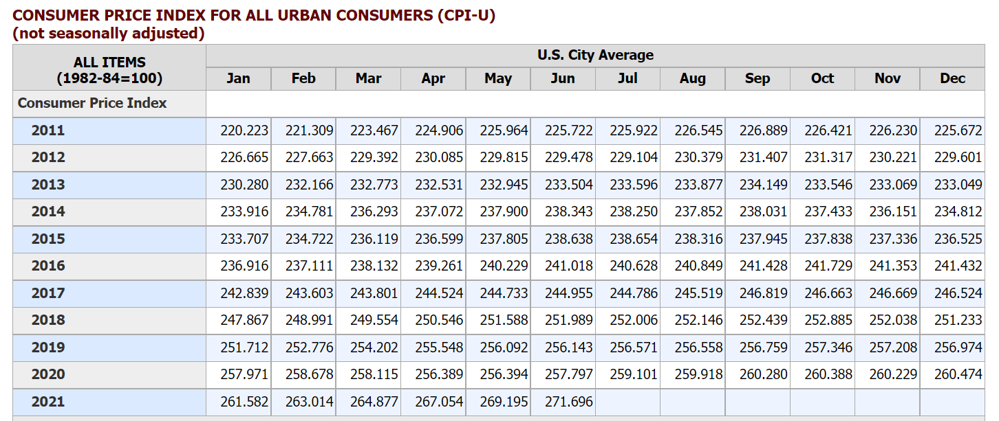

use the 2014 row, so it is reported in 2014 dollars.
We adjust dollars of the following years to 2012 dollars using the following conversion factors:
0.898 | 2019 to 2012
0.914 | 2018 to 2012; used for EIA AEO 2018 and DOE Clean Cities report
0.969 | 2015 to 2012; used for CEC/CARB hydrogen report
1.022 | 2011 to 2012; used for Euroheat and Power statistics
See "cpi.xlsx" in the InputData folder for source information.

AFDC regional alternative fuels
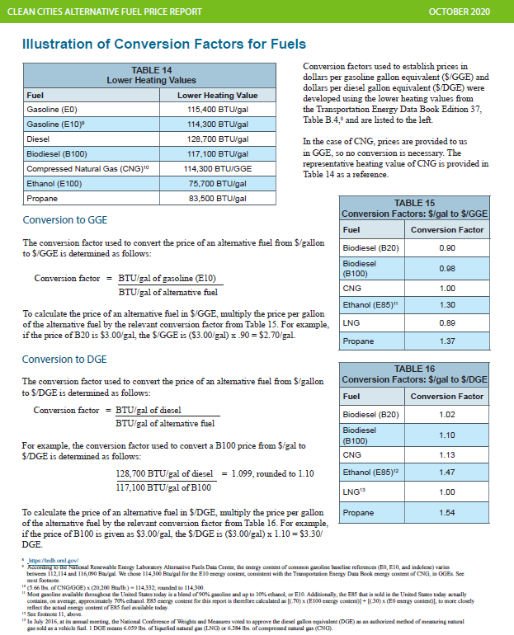
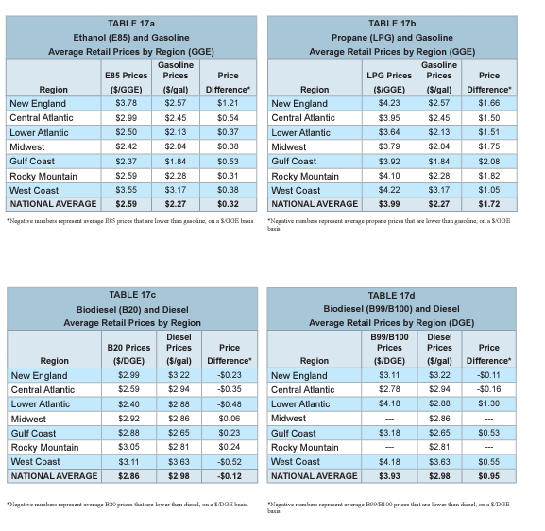
West coast average retail prices $ per gallon of gasoline equivalent - nominal dollars
 | 2018 | 2018 | 2018 | 2018 | 2019 | 2019 | 2019 | 2019 | 2020 | 2020 | 2020 | 2020
 | January | April | July | October | January | April | July | October | 2020 q1 | q2 | q3 | q4 | Jan-21 | Apr-21
Gasoline | 3.03 | 3.39 | 3.52 | 3.63 | 3.17 | 3.57 | $3.58 | $3.93 | $3.47 | $2.83 | $3.00 | $3.10 | $3.18 | $3.69
E85 / GGE | 3.29 | 3.52 | 3.81 | 3.91 | 3.55 | 3.73 | $3.82 | $4.00 | $3.86 | $3.00 | $3.21 | $3.26 | $3.20 | $3.78
LPG (nominal $s / Gasolinel Gallon Eq.) | s | 4.21 | 4.04 | 4.08 | 4.22 | 4.11 | $4.10 | $4.03 | $4.07 | $3.93 | $4.08 | $3.99 | $4.15 | $4.19
Diesel / diesel gallon | 3.49 | 3.64 | 3.87 | 3.98 | 3.63 | 3.83 | $3.85 | $3.89 | $3.79 | $3.33 | $3.23 | $3.24 | $3.39 | $3.89
B99/B100 / diesel gallon | 3.97 | 3.93 | 4.06 | 4.21 | 4.18 | 4.24 | $4.37 | $4.44 | $4.55 | $4.38 | $4.16 | $4.27 | $4.22 | $4.33
CNG (nominal $s / Diesel Gallon Eq.) | 3.45 | 2.81 | $2.80 | $2.80 | $2.79 | $2.86 | $2.86 | $2.82 | $2.79 | $2.86 | $2.76 | $2.82 | $2.75 | $2.72

 | 2020 average nominal | 2012 $s average
Diesel | $3.40 | $3.01
Biofuel diesel | $4.34 | $3.85 |  |  |  |  |  |  |  |  |  |  |  | Gasoline | Diesel | 0
Weighted average price |  |  | $3.22
Average 2020 differential | 27.7%

Average B99/B100 differential | 13.0% |  |  |  |  |  |  |  |  |  |  |  | 2021 avg to date* | 3.8325172414 | 3.8909655172 | nominal dollars
Average LPG differential | 23.0%
Average E85 | 5.7%

energy adjusted price differentials

petro-bio diesel differential | 0.15151515152 | 0.10704960836 | 0.13506493506 | 0.14138817481 |  |  |  |  |  | 0.11311053985 |  | Differential spikes during covid recession. Exclude these values for input value calculation.
petro-bio diesel differential | 0.15151515152 | 0.10704960836 | 0.13506493506 | 0.14138817481 | 0.20052770449 | 0.31531531532 | 0.28792569659 | 0.31790123457 | 0.24483775811 | 0.11311053985
LPG vs typical petroleum gasoline (differential) | 0.33123028391 | 0.1512605042 | 0.14525139665 | 0.025445292621 | 0.17291066282 | 0.38869257951 | 0.36 | 0.28709677419 | 0.30503144654 | 0.13550135501
E85 vs typical petroleum gasoline (differential) | 0.11987381703 | 0.044817927171 | 0.067039106145 | 0.017811704835 | 0.11239193084 | 0.060070671378 | 0.07 | 0.051612903226 | 0.0062893081761 | 0.024390243902

 | 2019 (nominal dollars) | $/GallonEq in 2020 (average nominal) | 2012 dollars $/DGE in 2020 | 2012 dollars $/btu | 2021 nominal
CNG $ DGE |  | $2.81 | $2.49 | 1.94E-05
LPG $s GGE |  | $4.02 | $3.56 | 3.12E-05
 | 4.115 |  |  |  | $4.17 |  | Use AFDC sourced conversion factors where applicable
 |  |  |  |  |  |  | DGE | 128700
LPG 2020 price change | -2% |  |  |  |  |  | GGE | 114300
LPG 2021 price change | 4%
LPG 2022 price change - use diesel | 0.034750072021

Tax-gasoline
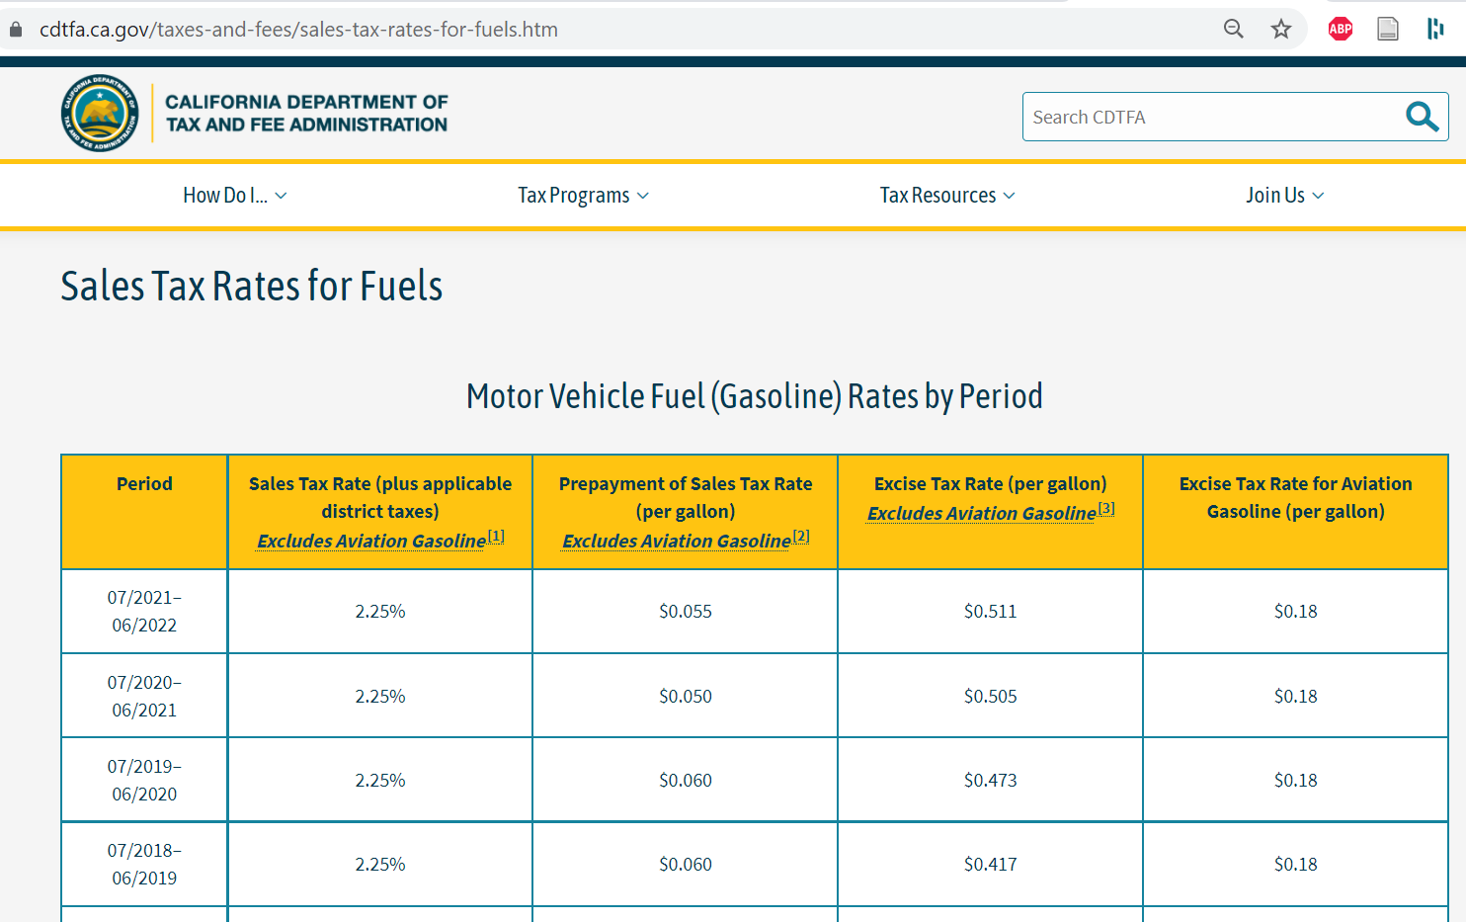
 | 2020 | 2021 | 2022 | 2023 | 2024 | 2025 | 2026 | 2027 | 2028 | 2029 | 2030 | 2031 | 2032 | 2033 | 2034 | 2035 | 2036 | 2037 | 2038 | 2039 | 2040 | 2041 | 2042 | 2043 | 2044 | 2045 | 2046 | 2047 | 2048 | 2049 | 2050
Petroleum gasoline | 4.03E-06 | 4.08E-06 | 4.07E-06 | 4.08E-06 | 4.08E-06 | 4.09E-06 | 4.10E-06 | 4.10E-06 | 4.11E-06 | 4.12E-06 | 4.20E-06 | 4.20E-06 | 4.21E-06 | 4.23E-06 | 4.23E-06 | 4.24E-06 | 4.24E-06 | 4.24E-06 | 4.25E-06 | 4.26E-06 | 4.26E-06 | 4.27E-06 | 4.28E-06 | 4.28E-06 | 4.29E-06 | 4.29E-06 | 4.30E-06 | 4.30E-06 | 4.31E-06 | 4.32E-06 | 4.32E-06
Biofuel gasoline | 4.06E-06 | 4.12E-06 | 4.10E-06 | 4.11E-06 | 4.12E-06 | 4.13E-06 | 4.14E-06 | 4.14E-06 | 4.15E-06 | 4.15E-06 | 4.24E-06 | 4.25E-06 | 4.25E-06 | 4.27E-06 | 4.27E-06 | 4.28E-06 | 4.28E-06 | 4.29E-06 | 4.30E-06 | 4.30E-06 | 4.31E-06 | 4.31E-06 | 4.32E-06 | 4.33E-06 | 4.33E-06 | 4.34E-06 | 4.35E-06 | 4.35E-06 | 4.36E-06 | 4.37E-06 | 4.37E-06

Calcs
sales tax rate | 0.0225 | 0.0225 | 0.0225 | 0.0225 | 0.0225 | 0.0225 | 0.0225 | 0.0225 | 0.0225 | 0.0225 | 0.0225 | 0.0225 | 0.0225 | 0.0225 | 0.0225 | 0.0225 | 0.0225 | 0.0225 | 0.0225 | 0.0225 | 0.0225 | 0.0225 | 0.0225 | 0.0225 | 0.0225 | 0.0225 | 0.0225 | 0.0225 | 0.0225 | 0.0225 | 0.0225 | 0.0225
fees ($/GGE) | $0.48 | $0.48 | $0.48 | $0.48 | $0.48 | $0.48 | $0.48 | $0.48 | $0.48 | $0.48 | $0.48 | $0.48 | $0.48 | $0.48 | $0.48 | $0.48 | $0.48 | $0.48 | $0.48 | $0.48 | $0.48 | $0.48 | $0.48 | $0.48 | $0.48 | $0.48 | $0.48 | $0.48 | $0.48 | $0.48 | $0.48
fees ($/btu) | 3.51E-06 | 3.48E-06 | 3.48E-06 | 3.48E-06 | 3.48E-06 | 3.48E-06 | 3.48E-06 | 3.48E-06 | 3.48E-06 | 3.48E-06 | 3.48E-06 | 3.48E-06 | 3.48E-06 | 3.48E-06 | 3.48E-06 | 3.48E-06 | 3.48E-06 | 3.48E-06 | 3.48E-06 | 3.48E-06 | 3.48E-06 | 3.48E-06 | 3.48E-06 | 3.48E-06 | 3.48E-06 | 3.48E-06 | 3.48E-06 | 3.48E-06 | 3.48E-06 | 3.48E-06 | 3.48E-06
sales tax component -petroleum | 5.18E-07 | 6.03E-07 | 5.87E-07 | 5.95E-07 | 6.01E-07 | 6.09E-07 | 6.18E-07 | 6.22E-07 | 6.29E-07 | 6.34E-07 | 7.18E-07 | 7.22E-07 | 7.25E-07 | 7.44E-07 | 7.48E-07 | 7.54E-07 | 7.60E-07 | 7.63E-07 | 7.70E-07 | 7.76E-07 | 7.80E-07 | 7.86E-07 | 7.95E-07 | 8.00E-07 | 8.05E-07 | 8.10E-07 | 8.17E-07 | 8.23E-07 | 8.30E-07 | 8.36E-07 | 8.42E-07
sales tax component biofuel gasoline | 5.47E-07 | 6.38E-07 | 6.21E-07 | 6.29E-07 | 6.35E-07 | 6.44E-07 | 6.54E-07 | 6.58E-07 | 6.65E-07 | 6.70E-07 | 7.60E-07 | 7.64E-07 | 7.67E-07 | 7.86E-07 | 7.91E-07 | 7.98E-07 | 8.03E-07 | 8.07E-07 | 8.14E-07 | 8.21E-07 | 8.25E-07 | 8.31E-07 | 8.40E-07 | 8.46E-07 | 8.52E-07 | 8.57E-07 | 8.64E-07 | 8.70E-07 | 8.78E-07 | 8.84E-07 | 8.90E-07

 |  | state sales tax | prepayment | excise | fees sum (nominal) | fees (2019 $s)
Fiscal year | Calendar year
 | 2022 | 0.0225 | $0.055 | $0.51 | $0.57
21-22 |  | 0.0225 | $0.055 | $0.51 | $0.57
 | 2021 | 0.0225 | $0.055 | $0.511 | $0.57 | $0.48
20-21 |  | 0.0225 | $0.050 | $0.505 | $0.56
 | 2020 | 0.0225 | $0.055 | $0.49 | $0.54 | $0.48
19-20 |  | 0.0225 | $0.060 | $0.47 | $0.53

Tax-diesel
 | 2020 | 2021 | 2022 | 2023 | 2024 | 2025 | 2026 | 2027 | 2028 | 2029 | 2030 | 2031 | 2032 | 2033 | 2034 | 2035 | 2036 | 2037 | 2038 | 2039 | 2040 | 2041 | 2042 | 2043 | 2044 | 2045 | 2046 | 2047 | 2048 | 2049 | 2050
Petroleum diesel
Transportation Sector | 6.93E-06 | 7.04E-06 | 6.97E-06 | 7.07E-06 | 7.20E-06 | 7.30E-06 | 7.36E-06 | 7.37E-06 | 7.42E-06 | 7.45E-06 | 7.80E-06 | 7.83E-06 | 7.85E-06 | 7.94E-06 | 7.95E-06 | 7.98E-06 | 8.01E-06 | 8.03E-06 | 8.06E-06 | 8.08E-06 | 8.08E-06 | 8.09E-06 | 8.14E-06 | 8.16E-06 | 8.18E-06 | 8.22E-06 | 8.22E-06 | 8.26E-06 | 8.28E-06 | 8.30E-06 | 8.32E-06

Biofeul diesel | 7.66E-06 | 7.43E-06 | 7.35E-06 | 7.47E-06 | 7.61E-06 | 7.73E-06 | 7.79E-06 | 7.80E-06 | 7.86E-06 | 7.89E-06 | 8.29E-06 | 8.32E-06 | 8.34E-06 | 8.44E-06 | 8.46E-06 | 8.49E-06 | 8.53E-06 | 8.55E-06 | 8.58E-06 | 8.61E-06 | 8.61E-06 | 8.62E-06 | 8.68E-06 | 8.69E-06 | 8.72E-06 | 8.77E-06 | 8.77E-06 | 8.81E-06 | 8.83E-06 | 8.85E-06 | 8.87E-06

Calcs
sales tax rate | 0.13 | 0.13 | 0.13 | 0.13 | 0.13 | 0.13 | 0.13 | 0.13 | 0.13 | 0.13 | 0.13 | 0.13 | 0.13 | 0.13 | 0.13 | 0.13 | 0.13 | 0.13 | 0.13 | 0.13 | 0.13 | 0.13 | 0.13 | 0.13 | 0.13 | 0.13 | 0.13 | 0.13 | 0.13 | 0.13 | 0.13
fees ($/GGE) | $0.59 | $0.55 | $0.55 | $0.55 | $0.55 | $0.55 | $0.55 | $0.55 | $0.55 | $0.55 | $0.55 | $0.55 | $0.55 | $0.55 | $0.55 | $0.55 | $0.55 | $0.55 | $0.55 | $0.55 | $0.55 | $0.55 | $0.55 | $0.55 | $0.55 | $0.55 | $0.55 | $0.55 | $0.55 | $0.55 | $0.55
fees ($/btu) | 4.28E-06 | 4.02E-06 | 4.02E-06 | 4.02E-06 | 4.02E-06 | 4.02E-06 | 4.02E-06 | 4.02E-06 | 4.02E-06 | 4.02E-06 | 4.02E-06 | 4.02E-06 | 4.02E-06 | 4.02E-06 | 4.02E-06 | 4.02E-06 | 4.02E-06 | 4.02E-06 | 4.02E-06 | 4.02E-06 | 4.02E-06 | 4.02E-06 | 4.02E-06 | 4.02E-06 | 4.02E-06 | 4.02E-06 | 4.02E-06 | 4.02E-06 | 4.02E-06 | 4.02E-06 | 4.02E-06
sales tax component -petroleum
Transportation Sector | 2.65E-06 | 3.01E-06 | 2.95E-06 | 3.05E-06 | 3.18E-06 | 3.28E-06 | 3.34E-06 | 3.35E-06 | 3.39E-06 | 3.42E-06 | 3.77E-06 | 3.81E-06 | 3.82E-06 | 3.91E-06 | 3.93E-06 | 3.96E-06 | 3.99E-06 | 4.01E-06 | 4.04E-06 | 4.06E-06 | 4.06E-06 | 4.07E-06 | 4.12E-06 | 4.14E-06 | 4.16E-06 | 4.20E-06 | 4.20E-06 | 4.23E-06 | 4.26E-06 | 4.28E-06 | 4.29E-06

Biofuel
sales tax component biofuel diesel | 3.39E-06 | 3.40E-06 | 3.33E-06 | 3.44E-06 | 3.59E-06 | 3.70E-06 | 3.77E-06 | 3.78E-06 | 3.83E-06 | 3.87E-06 | 4.26E-06 | 4.30E-06 | 4.32E-06 | 4.42E-06 | 4.44E-06 | 4.47E-06 | 4.50E-06 | 4.53E-06 | 4.56E-06 | 4.59E-06 | 4.59E-06 | 4.60E-06 | 4.65E-06 | 4.67E-06 | 4.70E-06 | 4.75E-06 | 4.74E-06 | 4.78E-06 | 4.81E-06 | 4.83E-06 | 4.85E-06

 |  | state sales tax | prepayment | excise | fees sum (nominal) | fees (2019 $s)
Fiscal year | Calendar year
 | 2022 | 0.13 | $0.270 | $0.39 | $0.66
21-22 |  | 0.13 | $0.270 | $0.39 | $0.66
 | 2021 | 0.13 | $0.265 | $0.389 | $0.65 | $0.55
20-21 |  | 0.13 | $0.260 | $0.385 | $0.65
 | 2020 | 0.13 | $0.290 | $0.37 | $0.66 | $0.59
19-20 |  | 0.13 | $0.320 | $0.36 | $0.68

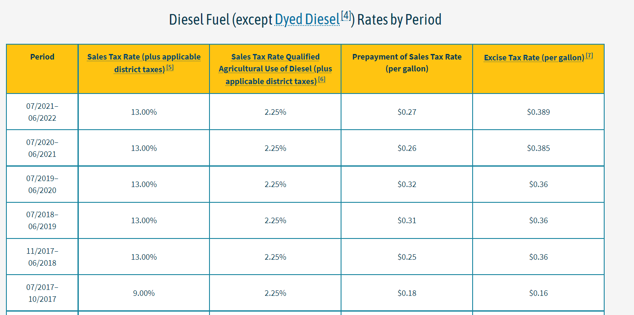
 |  |  |  |  |  |  |  |  |  | "5,7. Biodiesel, waste vegetable oil (wvo), and straight vegetable oil (svo) are taxed at the same rate as diesel fuel."

Tax-jet fuel
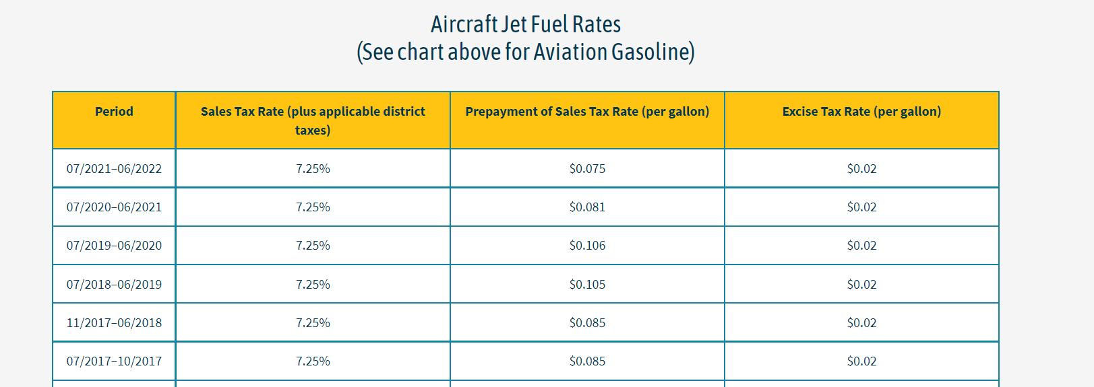
 | 2020 | 2021 | 2022 | 2023 | 2024 | 2025 | 2026 | 2027 | 2028 | 2029 | 2030 | 2031 | 2032 | 2033 | 2034 | 2035 | 2036 | 2037 | 2038 | 2039 | 2040 | 2041 | 2042 | 2043 | 2044 | 2045 | 2046 | 2047 | 2048 | 2049 | 2050
Jet fuel (petroleum based) | 1.77E-06 | 2.64E-06 | 2.58E-06 | 2.61E-06 | 2.63E-06 | 2.65E-06 | 2.68E-06 | 2.70E-06 | 2.72E-06 | 2.73E-06 | 3.01E-06 | 3.02E-06 | 3.03E-06 | 3.09E-06 | 3.10E-06 | 3.12E-06 | 3.14E-06 | 3.15E-06 | 3.17E-06 | 3.19E-06 | 3.21E-06 | 3.22E-06 | 3.25E-06 | 3.27E-06 | 3.29E-06 | 3.30E-06 | 3.32E-06 | 3.34E-06 | 3.37E-06 | 3.38E-06 | 3.40E-06

Calcs
sales tax rate | 0.0725 | 0.0725 | 0.0725 | 0.0725 | 0.0725 | 0.0725 | 0.0725 | 0.0725 | 0.0725 | 0.0725 | 0.0725 | 0.0725 | 0.0725 | 0.0725 | 0.0725 | 0.0725 | 0.0725 | 0.0725 | 0.0725 | 0.0725 | 0.0725 | 0.0725 | 0.0725 | 0.0725 | 0.0725 | 0.0725 | 0.0725 | 0.0725 | 0.0725 | 0.0725 | 0.0725 | 0.0725
fees ($/GGE) | $0.11 | $0.10 | $0.10 | $0.10 | $0.10 | $0.10 | $0.10 | $0.10 | $0.10 | $0.10 | $0.10 | $0.10 | $0.10 | $0.10 | $0.10 | $0.10 | $0.10 | $0.10 | $0.10 | $0.10 | $0.10 | $0.10 | $0.10 | $0.10 | $0.10 | $0.10 | $0.10 | $0.10 | $0.10 | $0.10 | $0.10
fees ($/btu) | 8.10E-07 | 6.92E-07 | 6.92E-07 | 6.92E-07 | 6.92E-07 | 6.92E-07 | 6.92E-07 | 6.92E-07 | 6.92E-07 | 6.92E-07 | 6.92E-07 | 6.92E-07 | 6.92E-07 | 6.92E-07 | 6.92E-07 | 6.92E-07 | 6.92E-07 | 6.92E-07 | 6.92E-07 | 6.92E-07 | 6.92E-07 | 6.92E-07 | 6.92E-07 | 6.92E-07 | 6.92E-07 | 6.92E-07 | 6.92E-07 | 6.92E-07 | 6.92E-07 | 6.92E-07 | 6.92E-07
sales tax component -petroleum | 9.61E-07 | 1.94E-06 | 1.89E-06 | 1.92E-06 | 1.94E-06 | 1.96E-06 | 1.99E-06 | 2.00E-06 | 2.03E-06 | 2.04E-06 | 2.31E-06 | 2.33E-06 | 2.34E-06 | 2.40E-06 | 2.41E-06 | 2.43E-06 | 2.45E-06 | 2.46E-06 | 2.48E-06 | 2.50E-06 | 2.51E-06 | 2.53E-06 | 2.56E-06 | 2.58E-06 | 2.59E-06 | 2.61E-06 | 2.63E-06 | 2.65E-06 | 2.67E-06 | 2.69E-06 | 2.71E-06

 |  | state sales tax | prepayment | excise | fees sum (nominal) | fees (2019 $s)
Fiscal year | Calendar year
 | 2022 | 0.0725 | $0.079 | $0.02 | $0.10
21-22 |  | 0.0725 | $0.079 | $0.02 | $0.10
 | 2021 | 0.0725 | $0.093 | $0.02 | $0.11 | $0.10
20-21 |  | 0.0725 | $0.106 | $0.02 | $0.13
 | 2020 | 0.0725 | $0.106 | $0.02 | $0.13 | $0.11
19-20 |  | 0.0725 | $0.105 | $0.02 | $0.13

Lpgpropbut
 | 2020 | 2021 | 2022 | 2023 | 2024 | 2025 | 2026 | 2027 | 2028 | 2029 | 2030 | 2031 | 2032 | 2033 | 2034 | 2035 | 2036 | 2037 | 2038 | 2039 | 2040 | 2041 | 2042 | 2043 | 2044 | 2045 | 2046 | 2047 | 2048 | 2049 | 2050
Pre-tax price
Transportation Sector | 1.4373142092E-05 | 1.4032587693E-05 | 1.4565249702E-05 | 1.5071393178E-05 | 1.5457407525E-05 | 1.5884091379E-05 | 1.6493702843E-05 | 1.7081000257E-05 | 1.7374796489E-05 | 1.7551491162E-05 | 1.7632270813E-05 | 1.9558255748E-05 | 1.9568184714E-05 | 1.9637172894E-05 | 2.0133041629E-05 | 2.0323763481E-05 | 2.0520857889E-05 | 2.0744433931E-05 | 2.0983945318E-05 | 2.12070621E-05 | 2.1409132847E-05 | 2.1581859271E-05 | 2.1744546963E-05 | 2.2010390702E-05 | 2.220455744E-05 | 2.2397002173E-05 | 2.2590844883E-05 | 2.2776521025E-05 | 2.3023892514E-05 | 2.3275461443E-05 | 2.3464496415E-05
Electricity Sector | 1.4381360012E-05 | 1.4040610899E-05 | 1.4573577461E-05 | 1.4573577461E-05 | 1.5114384339E-05 | 1.5729854315E-05 | 1.6631481602E-05 | 1.7503769534E-05 | 1.7927364752E-05 | 1.8184091181E-05 | 1.8298924281E-05 | 1.8206415759E-05 | 1.8223047609E-05 | 1.8330739374E-05 | 1.8665044192E-05 | 1.8955810602E-05 | 1.9258098063E-05 | 1.9603918281E-05 | 1.9975752389E-05 | 2.0321812158E-05 | 2.0635959656E-05 | 2.0904358551E-05 | 2.1158900771E-05 | 2.1585318625E-05 | 2.1889817413E-05 | 2.2195643902E-05 | 2.2505495301E-05 | 2.2802789478E-05 | 2.3205585561E-05 | 2.3614263076E-05 | 2.391780253E-05
Residential Buildings Sector | 2.2097986899E-05 | 2.1574401547E-05 | 2.2393342738E-05 | 2.2393342738E-05 | 2.3088959941E-05 | 2.3852196726E-05 | 2.4820444893E-05 | 2.5872709388E-05 | 2.6715468356E-05 | 2.7363646381E-05 | 2.7815959297E-05 | 3.0033662719E-05 | 3.0185239495E-05 | 3.0343109133E-05 | 3.0919608548E-05 | 3.1246859437E-05 | 3.1606144789E-05 | 3.2010583411E-05 | 3.2454288434E-05 | 3.2904310148E-05 | 3.3341527256E-05 | 3.3745164487E-05 | 3.4123759129E-05 | 3.4590564162E-05 | 3.5022919968E-05 | 3.5445474619E-05 | 3.5863188268E-05 | 3.6270094611E-05 | 3.6733289853E-05 | 3.7225456974E-05 | 3.7671940388E-05
Commercial Buildings Sector | 1.3214415371E-05 | 1.2901315614E-05 | 1.3391035747E-05 | 1.3391035747E-05 | 1.3770808871E-05 | 1.4181502906E-05 | 1.4757953617E-05 | 1.5325723917E-05 | 1.5631293093E-05 | 1.5815898299E-05 | 1.5904005216E-05 | 1.7079487893E-05 | 1.7087137536E-05 | 1.7149589315E-05 | 1.7520059317E-05 | 1.7704554007E-05 | 1.7895820594E-05 | 1.8111746265E-05 | 1.8343715075E-05 | 1.856210042E-05 | 1.8760928096E-05 | 1.8931778396E-05 | 1.9091723809E-05 | 1.9344716741E-05 | 1.9537700566E-05 | 1.9726737011E-05 | 1.9916357203E-05 | 2.0098497067E-05 | 2.0336622147E-05 | 2.0581943474E-05 | 2.0771125147E-05
Industry Sector | 1.4381360012E-05 | 1.4040610899E-05 | 1.4573577461E-05 | 1.4573577461E-05 | 1.5114384339E-05 | 1.5729854315E-05 | 1.6631481602E-05 | 1.7503769534E-05 | 1.7927364752E-05 | 1.8184091181E-05 | 1.8298924281E-05 | 1.8206415759E-05 | 1.8223047609E-05 | 1.8330739374E-05 | 1.8665044192E-05 | 1.8955810602E-05 | 1.9258098063E-05 | 1.9603918281E-05 | 1.9975752389E-05 | 2.0321812158E-05 | 2.0635959656E-05 | 2.0904358551E-05 | 2.1158900771E-05 | 2.1585318625E-05 | 2.1889817413E-05 | 2.2195643902E-05 | 2.2505495301E-05 | 2.2802789478E-05 | 2.3205585561E-05 | 2.3614263076E-05 | 2.391780253E-05

Taxes added
Transportation Sector | 1.3338366334E-06 | 1.3022329707E-06 | 1.3516643405E-06 | 1.3986347737E-06 | 1.434457148E-06 | 1.4740536783E-06 | 1.5306260058E-06 | 1.5851275755E-06 | 1.6123920508E-06 | 1.6287894277E-06 | 1.6362858301E-06 | 1.8150184445E-06 | 1.8159398587E-06 | 1.8223420053E-06 | 1.868358936E-06 | 1.8860580439E-06 | 1.9043485291E-06 | 1.9250965265E-06 | 1.9473233339E-06 | 1.9680287118E-06 | 1.9867810042E-06 | 2.0028101251E-06 | 2.0179076453E-06 | 2.0425781116E-06 | 2.0605969071E-06 | 2.0784558995E-06 | 2.096444625E-06 | 2.1136754879E-06 | 2.1366317177E-06 | 2.1599774727E-06 | 2.1775200371E-06
Electricity Sector | 1.3345992615E-06 | 1.3029775293E-06 | 1.3524371617E-06 | 1.3524371617E-06 | 1.4026243805E-06 | 1.4597403816E-06 | 1.5434119614E-06 | 1.6243608305E-06 | 1.6636707334E-06 | 1.6874951077E-06 | 1.6981516916E-06 | 1.6895668425E-06 | 1.6911102887E-06 | 1.7011041523E-06 | 1.7321278498E-06 | 1.7591111557E-06 | 1.7871636223E-06 | 1.8192559562E-06 | 1.8537623955E-06 | 1.8858769599E-06 | 1.9150300455E-06 | 1.9399376318E-06 | 1.9635593101E-06 | 2.0031311553E-06 | 2.0313888345E-06 | 2.0597697252E-06 | 2.0885241301E-06 | 2.1161132168E-06 | 2.1534929469E-06 | 2.1914184775E-06 | 2.2195871299E-06
Residential Buildings Sector | 2.0507070938E-06 | 2.0021180436E-06 | 2.0781163016E-06 | 2.0781163016E-06 | 2.1426700159E-06 | 2.21349887E-06 | 2.3033529094E-06 | 2.4010037169E-06 | 2.4792122795E-06 | 2.5393636083E-06 | 2.5813385316E-06 | 2.7871428051E-06 | 2.8012092253E-06 | 2.8158596271E-06 | 2.8693591357E-06 | 2.8997282242E-06 | 2.933070131E-06 | 2.9706022897E-06 | 3.0117783951E-06 | 3.0535406934E-06 | 3.0941147163E-06 | 3.1315725054E-06 | 3.1667063265E-06 | 3.2100261274E-06 | 3.2501490183E-06 | 3.2893623559E-06 | 3.3281264455E-06 | 3.3658876102E-06 | 3.4088724203E-06 | 3.4545458389E-06 | 3.4959797807E-06
Commercial Buildings Sector | 1.2263060643E-06 | 1.1972502098E-06 | 1.2426965463E-06 | 1.2426965463E-06 | 1.2779397313E-06 | 1.3160523962E-06 | 1.3695473851E-06 | 1.4222368264E-06 | 1.4505938382E-06 | 1.4677253175E-06 | 1.4759016949E-06 | 1.5849872272E-06 | 1.5856971189E-06 | 1.5914926833E-06 | 1.6258725327E-06 | 1.6429937561E-06 | 1.6607434157E-06 | 1.6807814539E-06 | 1.7023083055E-06 | 1.7225746029E-06 | 1.7410259365E-06 | 1.7568809518E-06 | 1.7717239868E-06 | 1.7952018902E-06 | 1.8131109106E-06 | 1.8306536116E-06 | 1.8482504848E-06 | 1.8651531788E-06 | 1.8872513362E-06 | 1.9100173097E-06 | 1.9275734881E-06
Industry Sector | 1.3345992615E-06 | 1.3029775293E-06 | 1.3524371617E-06 | 1.3524371617E-06 | 1.4026243805E-06 | 1.4597403816E-06 | 1.5434119614E-06 | 1.6243608305E-06 | 1.6636707334E-06 | 1.6874951077E-06 | 1.6981516916E-06 | 1.6895668425E-06 | 1.6911102887E-06 | 1.7011041523E-06 | 1.7321278498E-06 | 1.7591111557E-06 | 1.7871636223E-06 | 1.8192559562E-06 | 1.8537623955E-06 | 1.8858769599E-06 | 1.9150300455E-06 | 1.9399376318E-06 | 1.9635593101E-06 | 2.0031311553E-06 | 2.0313888345E-06 | 2.0597697252E-06 | 2.0885241301E-06 | 2.1161132168E-06 | 2.1534929469E-06 | 2.1914184775E-06 | 2.2195871299E-06

 | 2019 | 2020 | 2021 | 2022 | 2023 | 2024 | 2025 | 2026 | 2027 | 2028 | 2029 | 2030 | 2031 | 2032 | 2033 | 2034 | 2035 | 2036 | 2037 | 2038 | 2039 | 2040 | 2041 | 2042 | 2043 | 2044 | 2045 | 2046 | 2047 | 2048 | 2049 | 2050
Propane (lpgpropbut)
Transportation Sector | 1.5706978725E-05 | 1.5334820663E-05 | 1.5916914043E-05 | 1.6470027952E-05 | 1.6891864673E-05 | 1.7358145058E-05 | 1.8024328848E-05 | 1.8666127832E-05 | 1.898718854E-05 | 1.918028059E-05 | 1.9268556643E-05 | 2.1373274193E-05 | 2.1384124573E-05 | 2.14595149E-05 | 2.2001400565E-05 | 2.2209821525E-05 | 2.2425206418E-05 | 2.2669530458E-05 | 2.2931268652E-05 | 2.3175090812E-05 | 2.3395913851E-05 | 2.3584669396E-05 | 2.3762454608E-05 | 2.4052968813E-05 | 2.4265154347E-05 | 2.4475458073E-05 | 2.4687289508E-05 | 2.4890196513E-05 | 2.5160524232E-05 | 2.5435438916E-05 | 2.5642016452E-05 | 2.5837406783E-05
Electricity Sector | 0 | 0 | 0 | 0 | 0 | 0 | 0 | 0 | 0 | 0 | 0 | 0 | 0 | 0 | 0 | 0 | 0 | 0 | 0 | 0 | 0 | 0 | 0 | 0 | 0 | 0 | 0 | 0 | 0 | 0 | 0 | 0
Residential Buildings Sector | 2.4148693992E-05 | 2.357651959E-05 | 2.447145904E-05 | 2.447145904E-05 | 2.5231629957E-05 | 2.6065695596E-05 | 2.7123797803E-05 | 2.8273713105E-05 | 2.9194680635E-05 | 2.990300999E-05 | 3.0397297829E-05 | 3.2820805524E-05 | 3.298644872E-05 | 3.315896876E-05 | 3.3788967683E-05 | 3.4146587661E-05 | 3.453921492E-05 | 3.4981185701E-05 | 3.5466066829E-05 | 3.5957850841E-05 | 3.6435641972E-05 | 3.6876736993E-05 | 3.7290465455E-05 | 3.7800590289E-05 | 3.8273068986E-05 | 3.8734836975E-05 | 3.9191314714E-05 | 3.9635982221E-05 | 4.0142162274E-05 | 4.0680002813E-05 | 4.1167920168E-05 | 4.1626693403E-05
Commercial Buildings Sector | 1.4440721435E-05 | 1.4098565824E-05 | 1.4633732293E-05 | 1.4633732293E-05 | 1.5048748603E-05 | 1.5497555302E-05 | 1.6127501002E-05 | 1.6747960744E-05 | 1.7081886931E-05 | 1.7283623616E-05 | 1.7379906911E-05 | 1.866447512E-05 | 1.8672834655E-05 | 1.8741081998E-05 | 1.914593185E-05 | 1.9347547763E-05 | 1.955656401E-05 | 1.9792527719E-05 | 2.0046023381E-05 | 2.0284675023E-05 | 2.0501954033E-05 | 2.0688659348E-05 | 2.0863447796E-05 | 2.1139918631E-05 | 2.1350811477E-05 | 2.1557390622E-05 | 2.1764607688E-05 | 2.1963650245E-05 | 2.2223873483E-05 | 2.2491960784E-05 | 2.2698698635E-05 | 2.2891949594E-05
Industry Sector | 1.5715959274E-05 | 1.5343588428E-05 | 1.5926014622E-05 | 1.5926014622E-05 | 1.651700872E-05 | 1.7189594696E-05 | 1.8174893564E-05 | 1.9128130364E-05 | 1.9591035486E-05 | 1.9871586289E-05 | 1.9997075972E-05 | 1.9895982602E-05 | 1.9914157898E-05 | 2.0031843527E-05 | 2.0397172041E-05 | 2.0714921758E-05 | 2.1045261685E-05 | 2.1423174237E-05 | 2.1829514784E-05 | 2.2207689118E-05 | 2.2550989702E-05 | 2.2844296182E-05 | 2.3122460081E-05 | 2.358844978E-05 | 2.3921206247E-05 | 2.4255413627E-05 | 2.4594019431E-05 | 2.4918902694E-05 | 2.5359078508E-05 | 2.5805681554E-05 | 2.613738966E-05 | 2.6454797331E-05

Propane - empirical
 | (nominal) | 2012 $s
$/btu | 2019 | 2019
 | HGLs/Propane
Transportation | 1.75E-05 | 1.57E-05
Power | NA
Residential | 2.69E-05 | 2.41E-05
Commercial | 1.61E-05 | 1.44E-05
Industrial | 1.75E-05 | 1.57E-05

 | 2023 | 2024 | 2025 | 2026 | 2027 | 2028 | 2029 | 2030 | 2031 | 2032 | 2033 | 2034 | 2035 | 2036 | 2037 | 2038 | 2039 | 2040 | 2041 | 2042 | 2043 | 2044 | 2045 | 2046 | 2047 | 2048 | 2049 | 2050
Transportation Sector | 0.025612386451 | 0.027603843267 | 0.038378743159 | 0.035607372086 | 0.01720017726 | 0.010169596718 | 0.0046024380299 | 0.10923068028 | 0.00050766111674 | 0.0035255278453 | 0.025251533788 | 0.0094730768902 | 0.0096977318656 | 0.010895063116 | 0.011545814537 | 0.010632737498 | 0.0095284648789 | 0.0080678850971 | 0.0075381685213 | 0.012225765803 | 0.0088215943406 | 0.0086669024728 | 0.0086548506897 | 0.008219087987 | 0.010860810949 | 0.010926429102 | 0.0081216422973 | 0.0076199284633
Electricity Sector
Residential Buildings Sector | 0.031063571473 | 0.033056351912 | 0.040593668536 | 0.042395069849 | 0.032573278457 | 0.024262274458 | 0.01652970185 | 0.079727734624 | 0.0050468961299 | 0.0052300276821 | 0.018999352117 | 0.010583927302 | 0.011498286814 | 0.012796202297 | 0.013861197613 | 0.013866325099 | 0.013287533036 | 0.01210614104 | 0.011219226434 | 0.013679765803 | 0.012499241238 | 0.012065089141 | 0.01178468206 | 0.011346072728 | 0.012770720556 | 0.013398394821 | 0.011994034457 | 0.011143949772
Commercial Buildings Sector | 0.028360250237 | 0.029823522948 | 0.040648069197 | 0.038472156438 | 0.019938319217 | 0.011809976592 | 0.0055707817249 | 0.073911109872 | 0.00044788481853 | 0.0036548999935 | 0.021602266705 | 0.010530483195 | 0.010803242309 | 0.012065703801 | 0.012807644659 | 0.011905186263 | 0.010711485867 | 0.0091067082954 | 0.0084485149838 | 0.013251445205 | 0.0099760481094 | 0.0096754704535 | 0.0096123445053 | 0.0091452398675 | 0.011847904809 | 0.012063032172 | 0.0091916331057 | 0.0085137462032
Industry Sector | 0.037108725041 | 0.040720810164 | 0.057319493843 | 0.052447999052 | 0.02420022828 | 0.014320366258 | 0.0063150309743 | -0.0050554076232 | 0.00091351588301 | 0.005909646267 | 0.018237388595 | 0.015578126005 | 0.015946955113 | 0.017957132463 | 0.018967336162 | 0.01732399172 | 0.015458636081 | 0.013006368428 | 0.012176514295 | 0.020153119382 | 0.014106754394 | 0.013971175871 | 0.013960009459 | 0.013209848216 | 0.017664333754 | 0.0176111701 | 0.012854072691 | 0.012143816791

